Instructions
EXCEL SETTINGS. To fully utilize the budget templates, please make the following adjustments to your Excel Security Settings:
In Excel 2003
From the TOOLS menu, select MACRO
Select SECURITY
Make sure Security Level is set at MEDIUM
With this setting, you will be given the options to “disable”, “enable” or get “more info” on the macro. Enabling the macro will allow you to use the automatic sort routine for the School Specialty Order.

In Excel 2007 / 2010
When opening the file you may see
the following warning:

Click on the OPTIONS button and then select ENABLE THIS CONTENT
Enabling the macro will allow you to use the automatic sort routine for the School Specialty Order.

If you do not see a warning you may need to change your security settings.
From the Office Button in the top left corner

Select Excel Options

Select TRUST CENTER then TRUST CENTER SETTINGS…
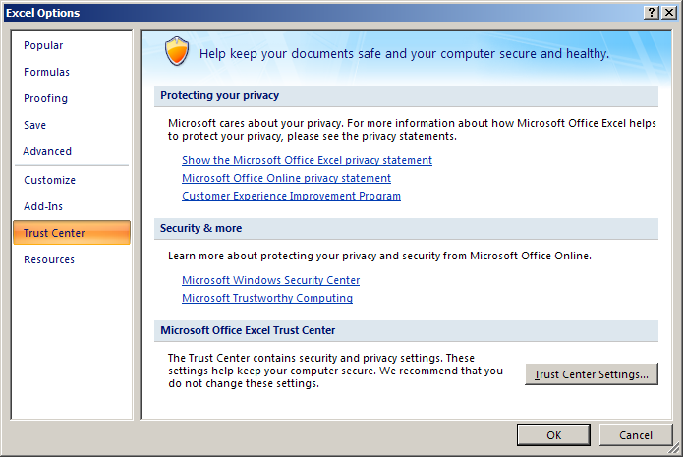

Select MACRO SETTINGS and make sure "Disable all macros with notification" is selected
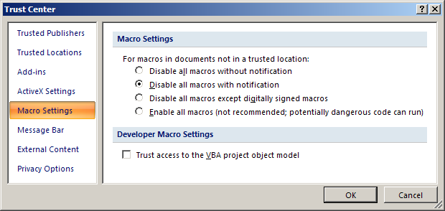

If when opening the template you receive a dialog box asking to check the certificate of authenticity, please do the following:
Open Excel
From the TOOLS menu, select MACRO
Select SECURITY
Select TRUSTED PUBLISHERS
Check the box titled "Trust Access to Visual Basic Project"
Click OK.

Upon opening the template:
Click and do a "Save as" to an *.xls or *.xlsx
This will preserve your template and allow you you to use it over and over again.

Using the School Specialty Order Form
Enter the quantity for each item you wish to order
Be sure to press “Enter” after the final entry
Go to the TOP of the form and click on the “School Specialty” logo to sort. This will move all of the items ordered to the top of the form.
You may continue to select items and sort as many times as necessary.
If the file does not sort when you click on the “School Specialty” logo, press “Enter” and try again. It should then perform the sort.

Once you have completely finished ordring and have sorted for the last time:
Click on the School Bus icon. This will delete all the other lines on the requesition form that you have not used
Depending on the speed of your computer, this may take a minute or two. Your page may "flicker", this just means it is working.

To print a copy:
Simply hit your print button.

